Demographic Characteristics
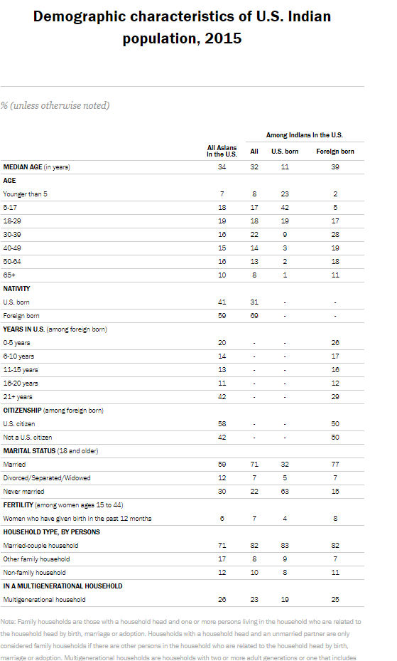
Demographic characteristics of U.S. Argentine population, 2017

 | All Hispanics |  |  | Argentines
 | All | U.S. born | Foreign born | All | U.S. born | Foreign born

Median Age (in years) | 29 | 20 | 43 | 39 | 16 | 47
AGE
Younger than 5 | 9% | 13% | 1% | 7% | 16% | <1
5-17 | 23% | 32% | 5% | 17% | 35% | 4%
18-29 | 20% | 22% | 14% | 13% | 18% | 10%
30-39 | 15% | 12% | 22% | 14% | 10% | 17%
40-49 | 13% | 8% | 23% | 18% | 12% | 23%
50-64 | 13% | 8% | 23% | 17% | 5% | 26%
65+ | 7% | 5% | 12% | 13% | 3% | 20%
NATIVITY
U.S. born | 67% | - | - | 41% | - | -
Foreign born | 33% | - | - | 59% | - | -
YEARS IN U.S. (among foreign born)
0-5 years | - | - | 13% | - | - | 10%
6-10 years | - | - | 9% | - | - | 6%
11-15 years | - | - | 14% | - | - | 12%
16-20 years | - | - | 18% | - | - | 27%
21+ years | - | - | 46% | - | - | 45%
CITIZENSHIP (among foreign born)
U.S. citizen | 79% | - | 37% | - | - | 55%
Not a U.S. citizen | 21% | - | 63% | - | - | 45%
MARITAL STATUS (18 and older)
Married | 46% | 36% | 58% | 57% | 42% | 62%
Divorced/Separated/Widowed | 16% | 15% | 17% | 19% | 11% | 22%
Never Married | 38% | 49% | 25% | 24% | 47% | 16%
FERTILITY (among women ages 15 to 44)
Women who have given birth in the past 12 months | 7% | 6% | 8% | 5% | 5% | 6%
HOUSEHOLD TYPE, BY PERSONS
Married-couple household | 58% | 57% | 61% | 68% | 68% | 68%
Other family household | 25% | 26% | 21% | 13% | 16% | 11%
Non-family household | 17% | 17% | 17% | 19% | 16% | 20%
IN A MULTIGENERATIONAL HOUSEHOLD
Multigenrational household | 9% | 9% | 6% | 5% | 5% | ***

Note: The symbol *** indicates insufficient number of observations to provide a reliable estimate. Hispanics are of any race. Family households are those with a household head and one or more persons living in the household who are related to the household head by birth, marriage or adoption. Households with a household head and an unmarried partner are only considered family households if there are other persons in the household who are related to the household head by birth, marriage or adoption. Multigenerational households are those with two or more adult generations or one that includes grandparents and grandchildren. The household population excludes persons living in institutions, college dormitories and other group quarters. Unmarried women includes those who were never married, divorced, separated or widowed. Figures may not sum to 100% due to rounding.
Source: Pew Research Center tabulations of 2017 American Community Surveys (1% IPUMS).

